1. Title Page
Project Name: Achievement 4 - Python - Instacart project
Date: May/June 2024
Analyst Name: Mathilde Lehalle

Contents:
Population Flow
Consistency checks
Wrangling steps
Column derivations
Visualizations
Recommendations

“The Instacart Online Grocery Shopping Dataset 2017”, Accessed from www.instacart.com/datasets/grocery-shopping-2017 via Kaggle on 07/16/2024.

2. Population Flow
Title page

Population flow

Exclusion flag
Condition: max_order < 5
Obervations to be removed: 1,440,295
Final total count of order_products_all: 30,964,564

Orders_products_combined
Orders_products_merged
Orders_products_all

Total: 32 404 859
Total: 32 434 489
Total: 32 404 859

1.) The grey boxes in the first row of the population flow represent the original data sets as they were when you downloaded them. In the Total fields you need to add the count of the rows when you imported the data set into Jupyter.
2.) The second row of boxes (coloured) represents the data sets after you manipulated them, e.g., removed missing values and duplicates. In the Total fields you need to add the count of the rows after conducting these operations. This offers a visual oveview of how the data flows throughout the data consistency checks.
3.) The third row, where also the arrows are coloured, represents the merges you performed between the datasets. In the Total fields you need to add the count of the rows in the merged datasets, so that you end up with the final dataset (in the red box). Keep in mind the final dataset should be without exclusions (based on the exclusion flag).

3.a Consistency checks
 |  |  |  | Title page
Consistency checks

Dataset | Missing values | Missing values treatment | Duplicates
orders | - | - | -
products | 17 missing product names | Filtered out (no way to imput string values | 5 duplicates removed
orders_products_prior | - | - | -
customers | - | - | -

Note about missing values in the "orders" data set: there are 2,076,096 "NaN" values in the "days_since_prior_order" column.
The first assumption was that those values corresponded to each customer's first order, which does not have a prior order.
We double checked this with a crosstab that you can find in the next sheet.
This is why there are missing values in this data set: their presence is justified.

4. Wrangling steps
 |  |  |  | Title page
Wrangling steps

Columns dropped | Columns renamed | Columns' type changed | Comment/Reason
df_ords : eval_set |  |  | Not relevant to analysis - variable takes only one value
 |  | df_ords : order_id changed from int to string | IDs are meant to identify the orders, stats on their numerical values don't make sense
 |  | df_ords : user_id changed from int to string | Same as above
 | df_ords : order_dow renamed to order_day_of_the_week |  | Name was unintuitive
 |  | df_prods: product_id changed from int to string | Same as above
 |  | df_prods: aisle_id changed from int to string | Same as above
 |  | df_prods: department_id changed from int to string | Same as above
customers : First Name and Surnam |  |  | Not useful for analysis + represent a data privacy issue because they are PII: scrubbed out
 | customers : STATE renamed State |  | For coherence: the other column names are not capitalized
customers : gender |  |  | We will not use this colun in the analysis (not required in project brief for profiling)
customers : date_joined |  |  | Not useful for analysis and taking memory space

5. Column derivations
 |  |  |  |  |  | Title page

Column derivations and aggregations

In this tab you should add tables below that the frequences of flags/label variables that you produced after deriving them. NB: don't do this for continuous variables, only for flags.
Dataset | New column | Column/s it was derived from | Conditions
ords_prods_merge | max_order + loyalty_flag | order_number (max number per user_id) | ≤ 10: New customer 10 < x ≤ 40: Regular customer > 40: Loyal customer
ords_prods_merge | avg_price + spending_flag | prices (mean price per user_id) | < 10: Low spender ≥ 10: High spender
ords_prods_merge | median_dspo + order_frequency_flag | days_since_prior_order (median per user_id) | ≤ 10: Frequent customer 10 < x ≤ 20: Regular customer > 20: Non-frequent customer | loyalty_flag
 |  |  |  | Regular customer 15876776 | 11 to 40 orders
Orders_products_all | Region | State | Based on Census Bureau-designated areas | Loyal customer 10284093 | More than 40 orders
Orders_products_all | customer_profile | fam_status, age and n_dependants | Young single adult: under 30 yo, living with parents and siblings or single. Single adult over 30: 30 yo or older, living with parents and siblings or single. Young parents: under 30 years old, married and with 1 or more dependants Parent over 30: 30 yo or older, married and with 1 or more dependants Single parents: Customers not married with 1 or more dependants Adults without children: married, divorced or widowed with 0 dependants | New customer 6243990 | 10 or fewer orders
Orders_products_all | income_group | income | ≤ 50000: Low Income 50000 < x ≤ 140000: Middle Income > 140000: High Income

 |  |  |  | spending_flag
 |  |  |  | Low spender 32285165 | Product in an order bought by someone who buys products that are on average less than 10 dollars
 |  |  |  | High spender 119694 | Product in an order bought by someone who buys products that are on average 10 dollars or more

 |  |  |  | order_frequency_flag
 |  |  |  | Frequent customer 21559853
 |  |  |  | Regular customer 7208564
 |  |  |  | Non-frequent customer 3636437
 |  |  |  | NaN 5

6.a Visualizations
In this tab, you'll find visualisations to answer some of the questions from the project brief. In the next tabs, you'll find other visualisations that answer more complex questions.
Title page

Visualisations

Are there differences in ordering habits based on a customer’s region?
Is there a connection between age and family status in terms of ordering habits?
What differences can you find in ordering habits of different customer profiles?
What day is the busiest day of the week?
What day is the busiest day of the week?
What is the busiest time of the day?
Are there particular days when people spend the most money ?
Are there particular times of the day when people spend the most money ?

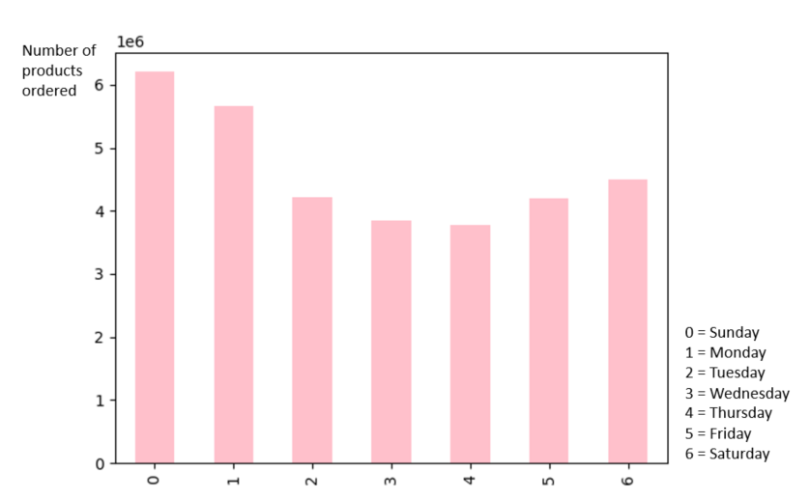

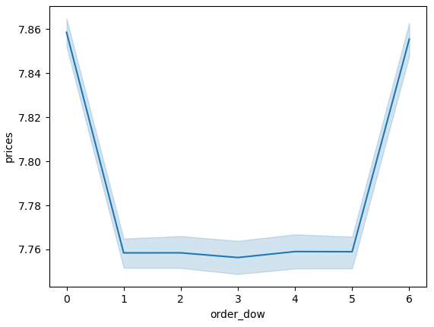


These questions will be answered in the next tabs.

Peak hour is from 10am to 3pm. Almost no orders at night. Decreasing activity from 4pm until midnight.
The busiest days are Sunday, Monday and Saturday.
At first glance, it looks like there are variations over the hour of the day, but if you look at the y-axis, you see that the variation is about 13 cts.
At first glance, it looks like there are variations over the week, but if you look at the y-axis, you see that the variation is about 10 cts.

What’s the distribution among users in regards to their brand loyalty ?
What do we know about our customer base ?
Customer profiling

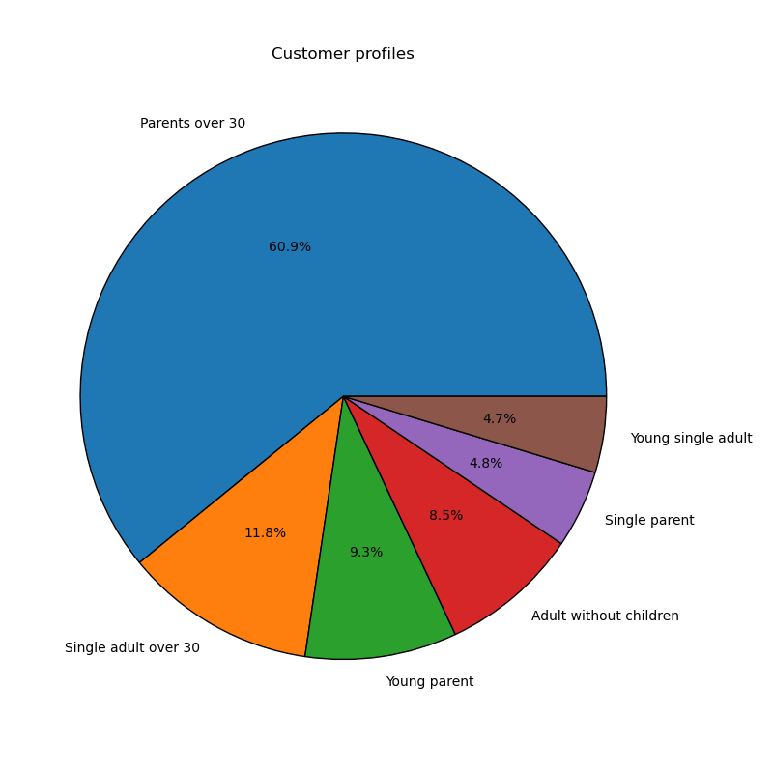
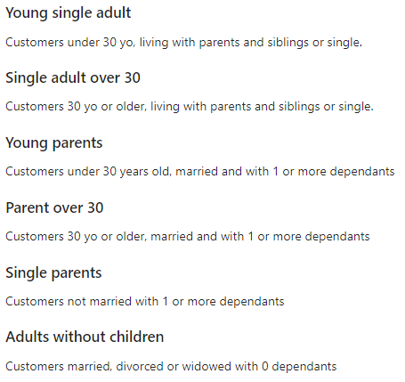
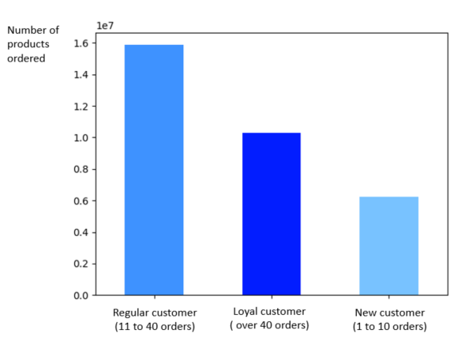
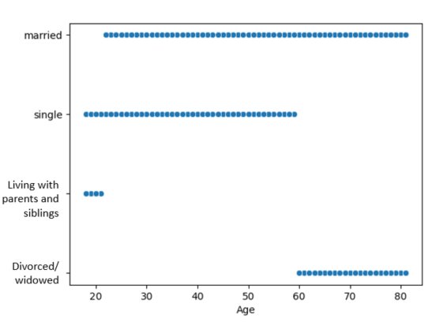


Low income (0 to 200k) is the most common, and it it not specific to any age group. Higher income (400k +) is however specific to customers over 40 years old. There is a clear delimitation: customers between 18 and 40 earn between 0 and 400k. Customers between 41 and 81 earn between 0 and 600k.
More than half of the products we sell are bought by parents over 30. Three quarters of our sales are made by parents (all types of parents combined) this is our main customer base.
Most of the sales are made by regular customers, then by loyal customers, and then only by new customers.
Our customers are aged 18 to 81.
Only younger customers (18 to 22, approx.) live with parents sand sibling. Only older customers (60+) are divorced/widowed. There's a big overlap between "single" and "married", even though single customers tend to be younger than the married ones.

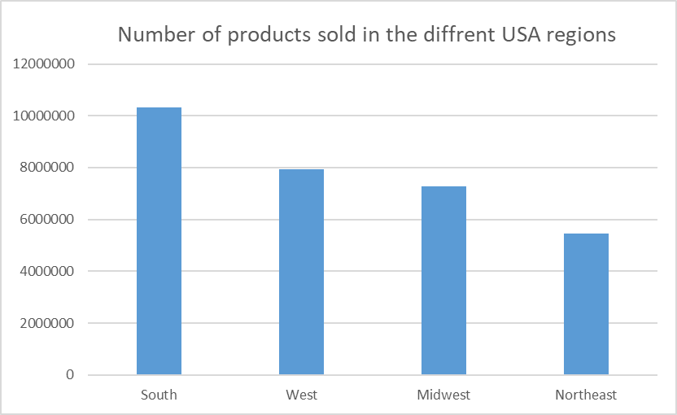
Do the regions have more high spenders than others?
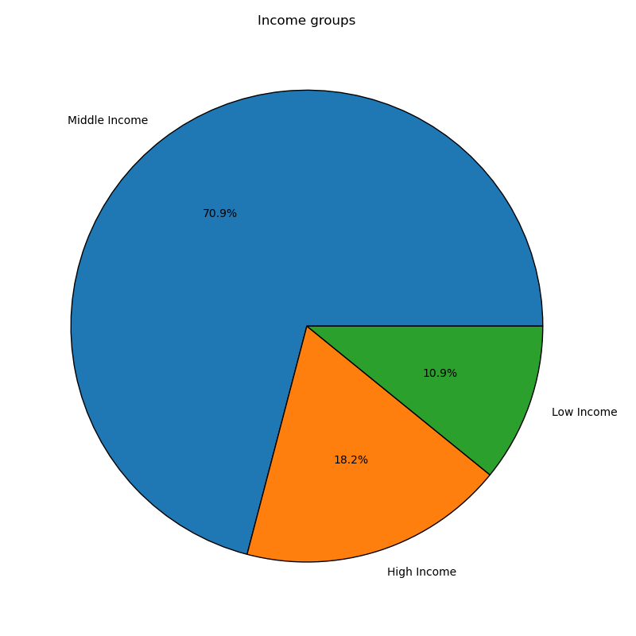

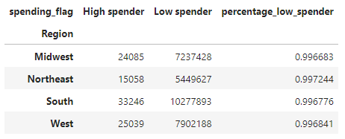
Low income: ≤ 50,000 USD/ year
Middle income: make between 50,000 and 140,000 USD/year
High income: > 140,000 USD/year

n all regions, the low spenders account for over 99.6% of all products bought. Some variations exist but they are minimal.
This is the distribution of our sales across the different USA regions.
We sell almost twice as much in the South than in the Northeast.
A vast majority of our sales are from middle income customers (70,9%). Low income represent 10,9% of our sales, and high incomes 18,2%.

6.b HOD viz from crosstab
Do the different customer profiles shop at the same hour of the day? Do some tend to come at periods where others don't?
No. There is no difference between the different family profiles, income groups, or regions.

 | "Most orders" means the busiest period of day: 10am until 3pm.
 | "Average orders" means when it's moderately busy: 6am until 9am and 4pm until 11pm.
 | "Fewest orders" means the least busy period of day: 12am until 5am.
Distribution of the number of order across the different periods of the day for each customer profile

customer_profile | Average orders | Fewest orders | Most orders
Adult without children | 1287375 | 47120 | 1310776
Parent over 30 | 9125795 | 343741 | 9385362
Single adult over 30 | 1772642 | 67255 | 1806895
Single parent | 714063 | 29369 | 737740
Young parent | 1390252 | 53460 | 1445101
Young single adult | 703542 | 26386 | 717690

Distribution of the number of order across the different periods of the day for each income group

income_group | Average orders | Fewest orders | Most orders
High Income | 2748778 | 101824 | 2790153
Low Income | 1592185 | 58946 | 1711423
Middle Income | 10652706 | 406561 | 10901988

Distribution of the number of order across the different periods of the day for each region

Region | Average orders | Fewest orders | Most orders
Midwest | 3524922 | 132581 | 3604010
Northeast | 2641501 | 101590 | 2721594
South | 5007375 | 189510 | 5114254
West | 3819871 | 143650 | 3963706

6.c Days between orders
Do the different customer profiles spend the same amount of days between orders? Do some of them order more frequently?
No. There is no difference between the different family profiles, income groups, or regions.
The mean is aroung 10 days for all the different groups.

This are some descriptive stats about the number of days between orders: | Results are similar amongst the different income groups and regions:
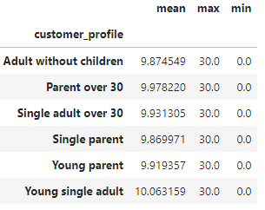
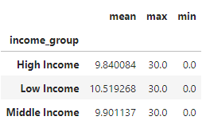

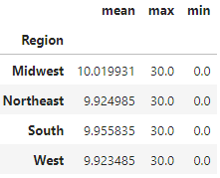

Looks like there's no difference. Min and Max are the same for all groups: let's plot the mean.

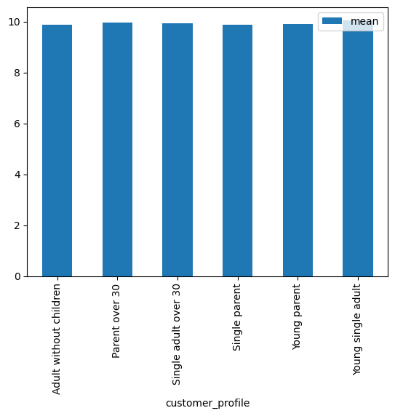

Definitely no difference.

6.d Department_id
The popularity of products do not vary between familial profile, nor between regions. However, we can note that alcohol il more popular amongst high income, and less popular amongst middle income. Low income buy more snacks, beverages and breakfast items than other income groups.

Are there certain types of products that are more popular than others amongst the different customer profiles?

Family profile | frozen | other | bakery | produce | alcohol | international | beverages | pets | dry goods pasta | bulk | personal care | meat seafood | pantry | breakfast | canned goods | dairy eggs | household | babies | snacks | deli | missing
Adult without children | 183957 | 2842 | 95735 | 777094 | 11859 | 21814 | 220879 | 8025 | 70251 | 2676 | 36313 | 57621 | 151891 | 56590 | 84268 | 442602 | 58446 | 34351 | 236244 | 86749 | 5064
Parent over 30 | 1290834 | 20491 | 681318 | 5529518 | 86265 | 155106 | 1569401 | 55785 | 500969 | 20543 | 258628 | 413670 | 1087923 | 407614 | 616413 | 3147580 | 430680 | 249751 | 1684020 | 608941 | 39448
Single adult over 30 | 248723 | 4222 | 133417 | 1073230 | 18565 | 30241 | 303966 | 11087 | 95029 | 3818 | 49825 | 77106 | 208698 | 78531 | 119223 | 610722 | 80331 | 48532 | 324228 | 119611 | 7687
Single parent | 102993 | 1815 | 53684 | 430539 | 8379 | 12394 | 119107 | 5338 | 39542 | 1633 | 20201 | 32344 | 85845 | 33198 | 48477 | 250207 | 33349 | 19381 | 131310 | 48119 | 3317
Young parent | 198556 | 3391 | 104431 | 843775 | 13156 | 24030 | 238052 | 8335 | 77329 | 3275 | 39272 | 62889 | 165033 | 63606 | 96164 | 485019 | 64470 | 37932 | 260638 | 93392 | 6068
Young single adult | 96668 | 1650 | 52243 | 425117 | 6403 | 12406 | 120496 | 4490 | 39016 | 1506 | 20067 | 31151 | 83315 | 31311 | 47529 | 241052 | 32581 | 20445 | 129966 | 47022 | 3184

Sales of each department for each family profile

No notable trend.

Income group | frozen | other | bakery | produce | alcohol | international | beverages | pets | dry goods pasta | bulk | personal care | meat seafood | pantry | breakfast | canned goods | dairy eggs | household | babies | snacks | deli | missing
High Income | 395994 | 6423 | 212989 | 1658526 | 31674 | 47871 | 450157 | 18388 | 154762 | 5483 | 77433 | 132584 | 335003 | 119485 | 193846 | 957128 | 131048 | 78151 | 438636 | 183304 | 11870
Low Income | 215177 | 3886 | 106757 | 826314 | 18047 | 21636 | 383121 | 8612 | 64481 | 4676 | 47782 | 34278 | 166061 | 91408 | 78975 | 502363 | 87216 | 29240 | 559529 | 106448 | 6547
Middle Income | 1510560 | 24102 | 801082 | 6594433 | 94906 | 186484 | 1738623 | 66060 | 602893 | 23292 | 299091 | 507919 | 1281641 | 459957 | 739253 | 3717691 | 481593 | 303001 | 1768241 | 714082 | 46351
Sales of each department for each income group

There is a notable difference, so I calculated the percentages.

Income group | frozen | other | bakery | produce | alcohol | international | beverages | pets | dry goods pasta | bulk | personal care | meat seafood | pantry | breakfast | canned goods | dairy eggs | household | babies | snacks | deli | missing
High Income | 19% | 19% | 19% | 18% | 22% | 19% | 18% | 20% | 19% | 16% | 18% | 20% | 19% | 18% | 19% | 18% | 19% | 19% | 16% | 18% | 18%
Low Income | 10% | 11% | 10% | 9% | 12% | 8% | 15% | 9% | 8% | 14% | 11% | 5% | 9% | 14% | 8% | 10% | 12% | 7% | 20% | 11% | 10%
Middle Income | 71% | 70% | 71% | 73% | 66% | 73% | 68% | 71% | 73% | 70% | 70% | 75% | 72% | 69% | 73% | 72% | 69% | 74% | 64% | 71% | 72%

Low income represents 11% of total sales, but 15% of beverage sales, 14% of breakfast sales, 20% of snacks sales; and only 7% of baby products sales.
High income represents 18% of the sales, but 22% of alcohol sales
Middle income represents 71% of the sales, but only 66% of alcohol sales
(Should not encourage/promote alcohol, in recommandations)

Region | frozen | other | bakery | produce | alcohol | international | beverages | pets | dry goods pasta | bulk | personal care | meat seafood | pantry | breakfast | canned goods | dairy eggs | household | babies | snacks | deli | missing
Midwest | 498225 | 7983 | 261753 | 2134115 | 34043 | 60666 | 598979 | 21358 | 193463 | 7929 | 100398 | 158260 | 420334 | 156155 | 237459 | 1212490 | 166992 | 95741 | 645143 | 234464 | 15563
Northeast | 370436 | 6268 | 199300 | 1593004 | 25017 | 44678 | 462929 | 17734 | 143817 | 5599 | 74765 | 118571 | 312731 | 117904 | 176936 | 914616 | 124604 | 72712 | 493154 | 178398 | 11512
South | 709906 | 11579 | 371620 | 3027476 | 48813 | 84649 | 859419 | 29909 | 272813 | 11180 | 142496 | 224120 | 591754 | 223172 | 337458 | 1723016 | 230061 | 139511 | 916780 | 333620 | 21787
West | 543164 | 8581 | 288155 | 2324678 | 36754 | 65998 | 650574 | 24059 | 212043 | 8743 | 106647 | 173830 | 457886 | 173619 | 260221 | 1327060 | 178200 | 102428 | 711329 | 257352 | 15906

Sales of each department for each region

No notable trend.

6.ePrice_range
Are there certain price range of products more popular amongst certain profiles?
The popularity of price-range products do not vary between familial profile, nor between regions. However, low income customers buy far less high-range (expensive) products than other income groups.

Proportion of each family profile in the sales of each price range
customer_profile | High-range product | Low-range product | Mid-range product
Adult without children | 33694 | 826783 | 1784794
Parent over 30 | 241395 | 5893121 | 12720382
Single adult over 30 | 44504 | 1137827 | 2464461
Single parent | 18804 | 461980 | 1000388
Young parent | 36595 | 903738 | 1948480
Young single adult | 18084 | 455614 | 973920

No notable trend.

Proportion of each income group in the sales of each price range

income_group | High-range product | Low-range product | Mid-range product
High Income | 77690 | 1683116 | 3879949
Low Income | 17665 | 1390774 | 1954115
Middle Income | 297721 | 6605173 | 15058361

There seems to be a notable difference. Let's calculate the percentage:

income_group | High-range product | Low-range product | Mid-range product
High Income | 20% | 17% | 19%
Low Income | 4% | 14% | 9%
Middle Income | 76% | 68% | 72%

Proportion of each region in the sales of each price range
Low income represents 11% of total sales, but only 4% of the high-range products sales.
High income represents 18% of the sales, 20% of the high-range products sales
Middle income represents 71% of the sales, 76% of high-range products sales.

Region | High-range product | Low-range product | Mid-range product
Midwest | 92073 | 2268086 | 4901354
Northeast | 68929 | 1713062 | 3682694
South | 130964 | 3218970 | 6961205
West | 101110 | 2478945 | 5347172

No notable trend.

6.f Total price orders
Do the different customer profiles spend the same amount per order?
Low income customers spend on average around 33 USD less per order than other income groups. As we saw earlier, their orders are not more frequent than the others, which means they do spend less at Instacart.
No difference noted between regions or between family profiles.

Customer family profile | average_amount_spent
Adult without children | 122.435714
Parent over 30 | 122.391463
Single adult over 30 | 121.253469
Single parent | 122.450525
Young parent | 122.249465
Average amount per order for each income group
Young single adult | 122.069701

No notable trend.

Income group | average_amount_spent
High Income | 125.832301
Middle Income | 125.792641
Low Income | 92.971994

INSIGHT: Low income group spends 33 USD less on average on each order.

Region | average_amount_spent
Midwest | 122.162327
Northeast | 122.291341
South | 122.343237
West | 122.124886

7. Recommendations
 | Title page

Recommendations

What are the busiest days of the week and hours of the day?
→ Busiest days are Sunday and Monday and busiest hours are 10am-3pm.
Does the time of the day influence how much money people spend?
→ No.
What’s the distribution among users in regards to their brand loyalty?
→ Most of our sales come from regular customers (11 to 40 orders. Then from loyal customers (40+ orders)
Are there differences in ordering habits based on a customer’s region?
→ No. No difference in the days they visit, time of the day for orders, days between orders, type of products they buy, price-range they buy, total price of their orders.
Is there a connection between age and family status in terms of ordering habits?
→ No. No différence in the days they visit, time of the day for orders, days between orders, type of products they buy, price-range they buy, total price of their orders.
Are there differences in ordering habits based on a customer’s income?
→ Yes. Low income customers tend to buy more snacks, beverages and breakfast items. Their orders are also 33USD cheaper on average,
while ordering just as frequently, on the asme days and same hours than other customers. They also order fewer ewpensive products.
High income customers buy more alcohol, and middle income customers buy less of it.

Conclusion:

Most of our customers are parents: targetting adds for baby products is probably very relevant.
We know what are the favourite type items for each income groups. We can use this info for targetting adds.
(Note: Alcohol is bought more by the high income customers, however it might not be ethical, or even legal, to promote this type of products.)
Region has no influence on the ordering habits: marketing team doesn't have to focus on this parameter.
Low income customers spend less money (cheaper orders and same frequency of orders). Maybe create some reward program for them?

